USD_INR
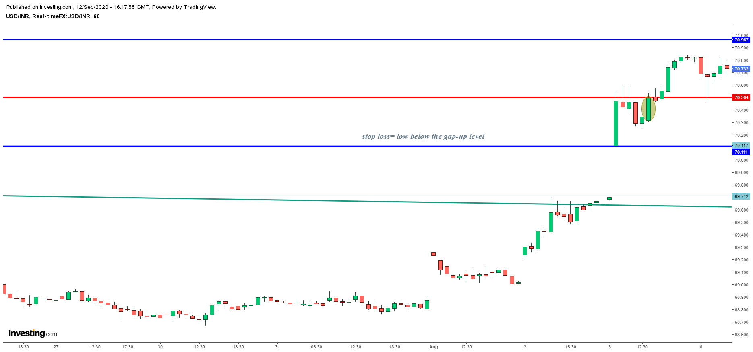
USD-INR WAVE ANALYSIS

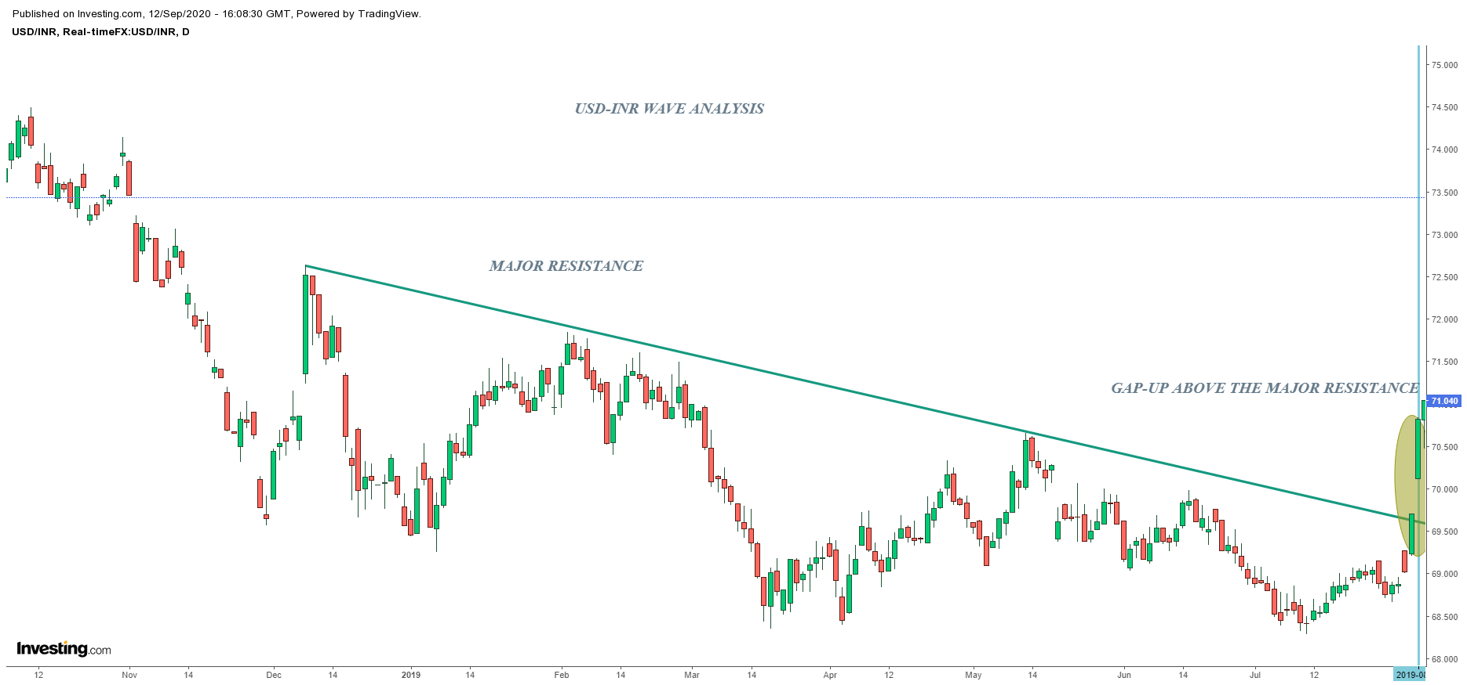

USD-INR RIPPLE ANALYSIS FOR ENTRY

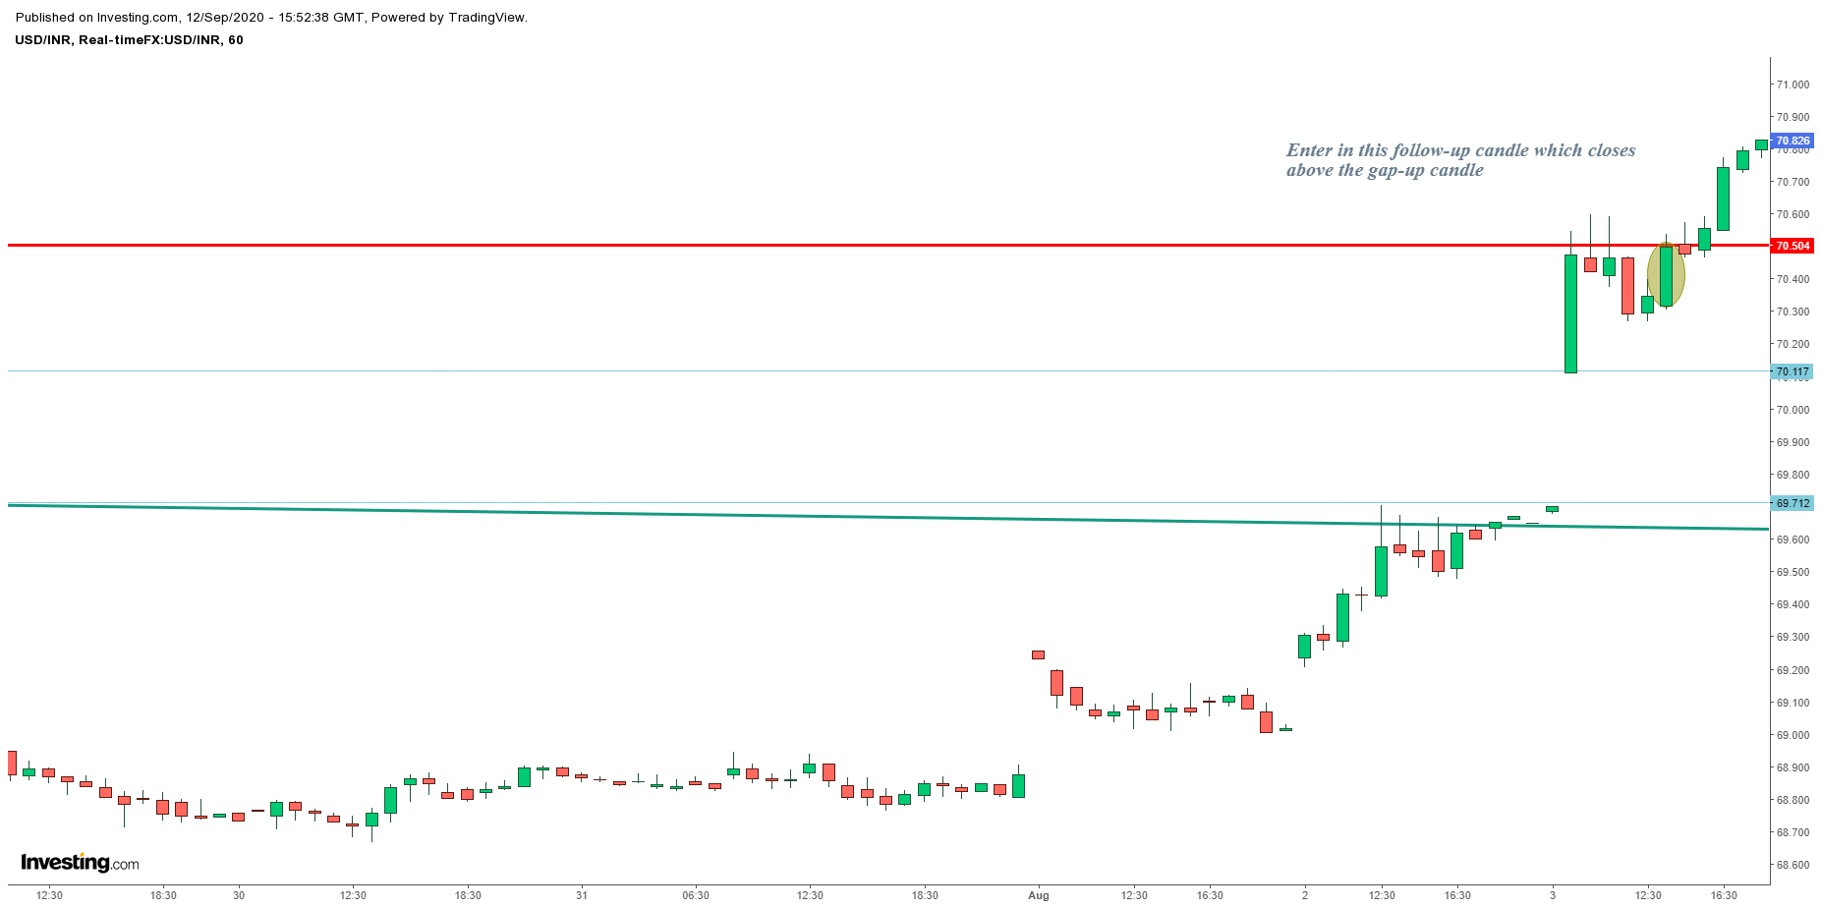

SUPPORTIVE INDICATOR ANALYSIS IN WAVE

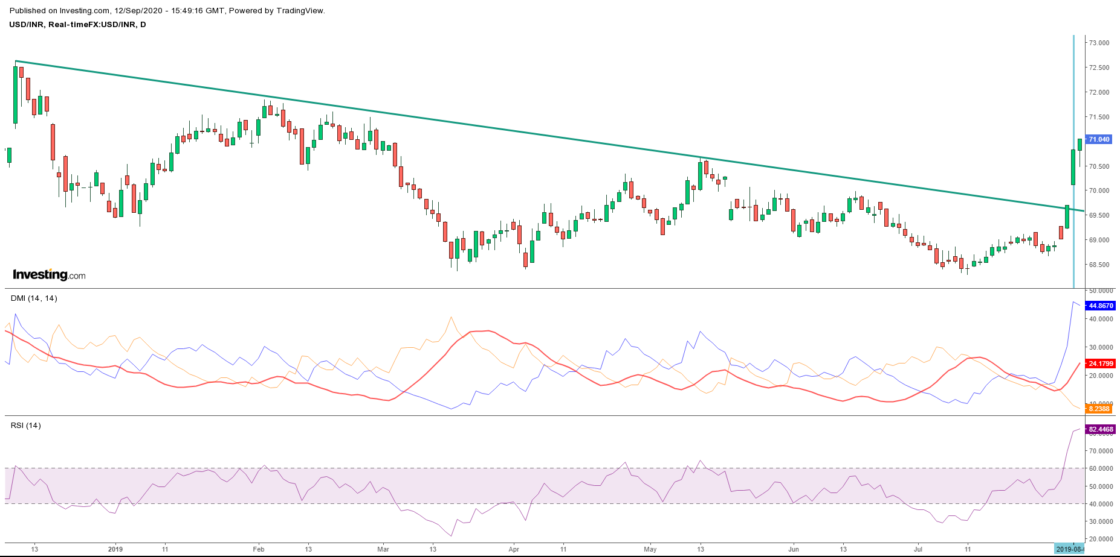

TARGET
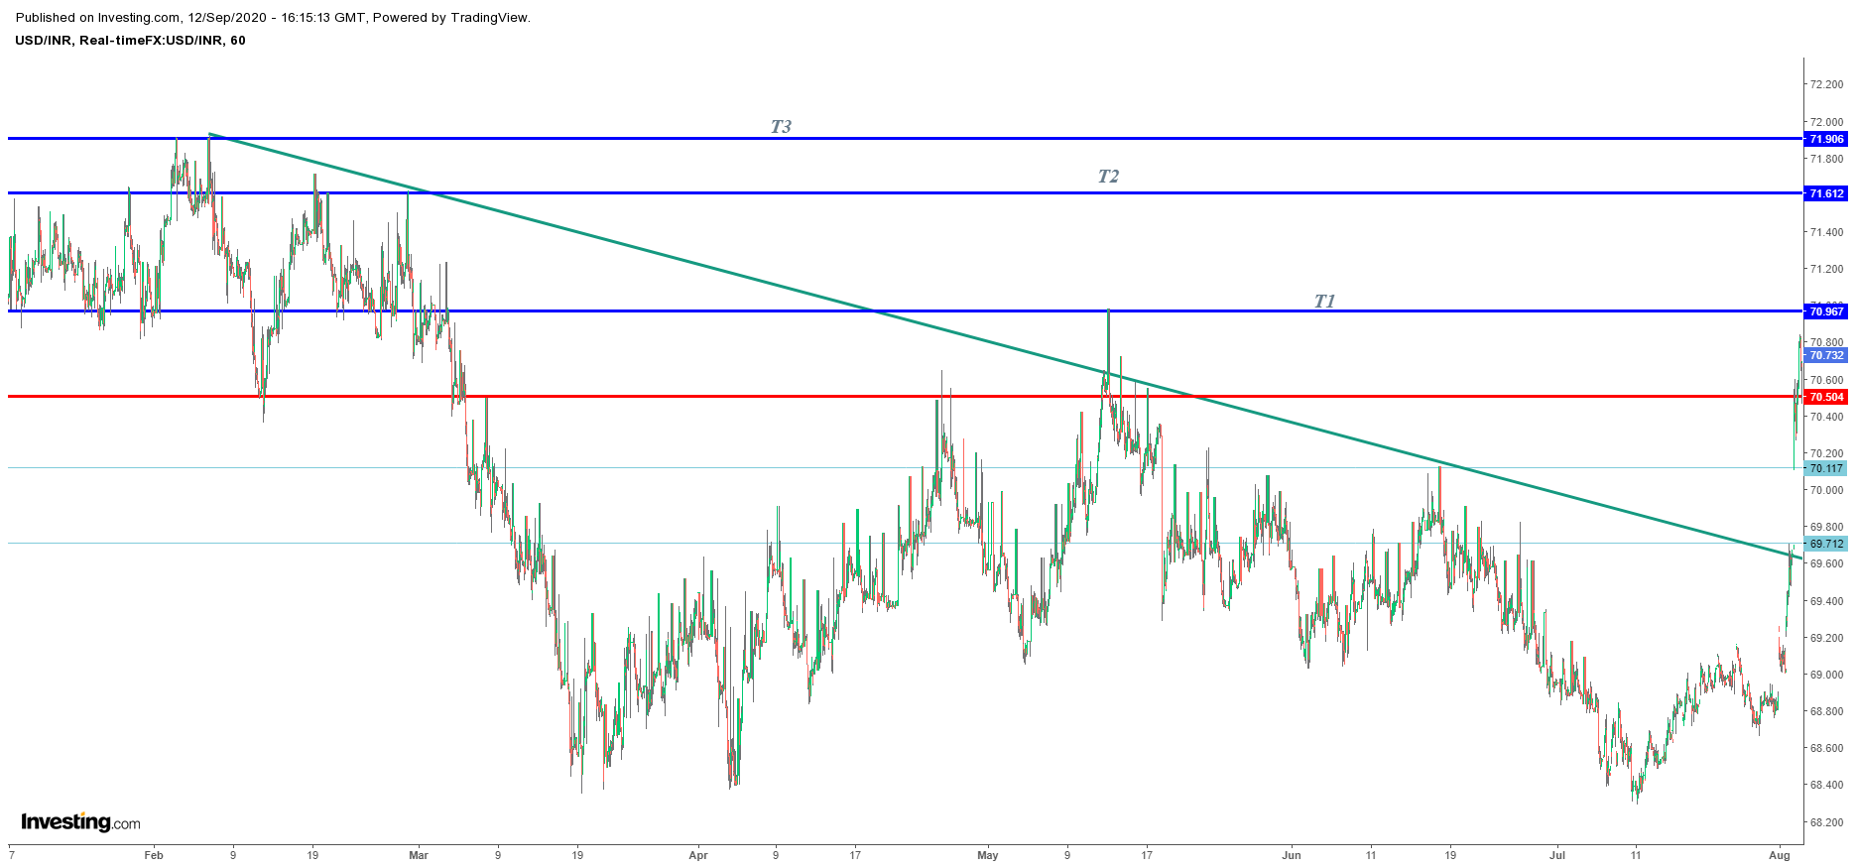

Stoploss

